INDEX
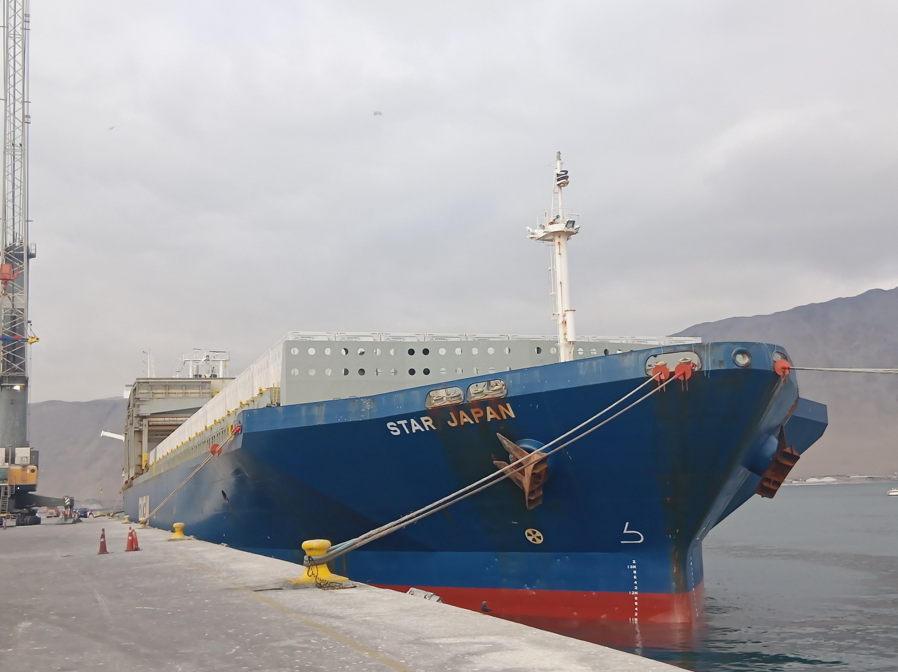

REPORT : IQQ-2510-2210
M/V STAR JAPAN V.2505
IQQ - CHILE

DAMAGE LIST

GRAPHIC

ALS Inspection Chile SpA
Limache # 3405 Office 61, Building Reitz I,
Viña del Mar, Chile
Phone: (+56) 32 2545500

 | Pier Nr.2 - EPI

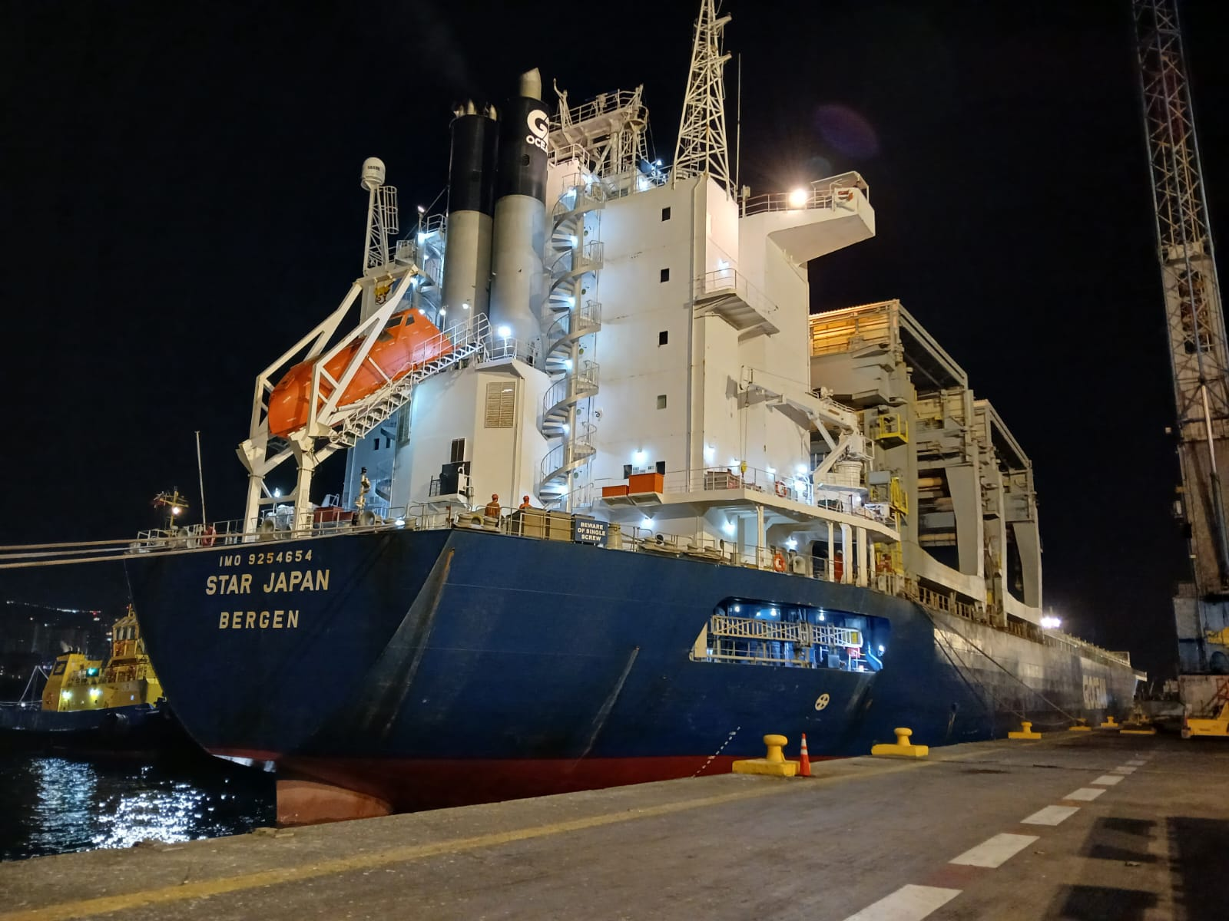

 | Pier Nr. 4 - ITI

DAMAGE GRAPHICS
CONSIGNEE | (Todas)
HOLD | (Todas)

Suma de QTT. | Total | INDEX
Total | 13 | DAMAGE LIST

Remarks
1.- Graphic correspond only to summary of damages found at POD.
2.- During discharging operations, one equipped was damaged by the stevedores. S/D
4.- Several salinity tests carried out on rusty surfaces of cargo stowed into holds Nr. 7,11 and Nr. 4 with negative results.

