Despacho 1ra quincena DICIEMBRE
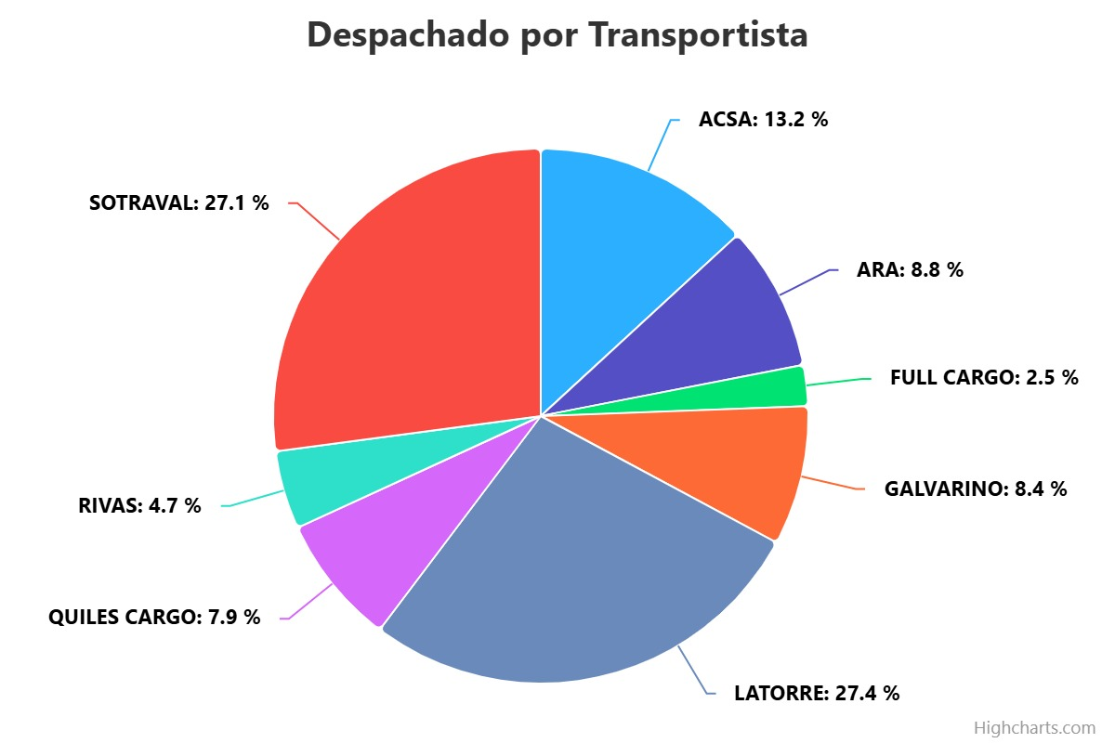
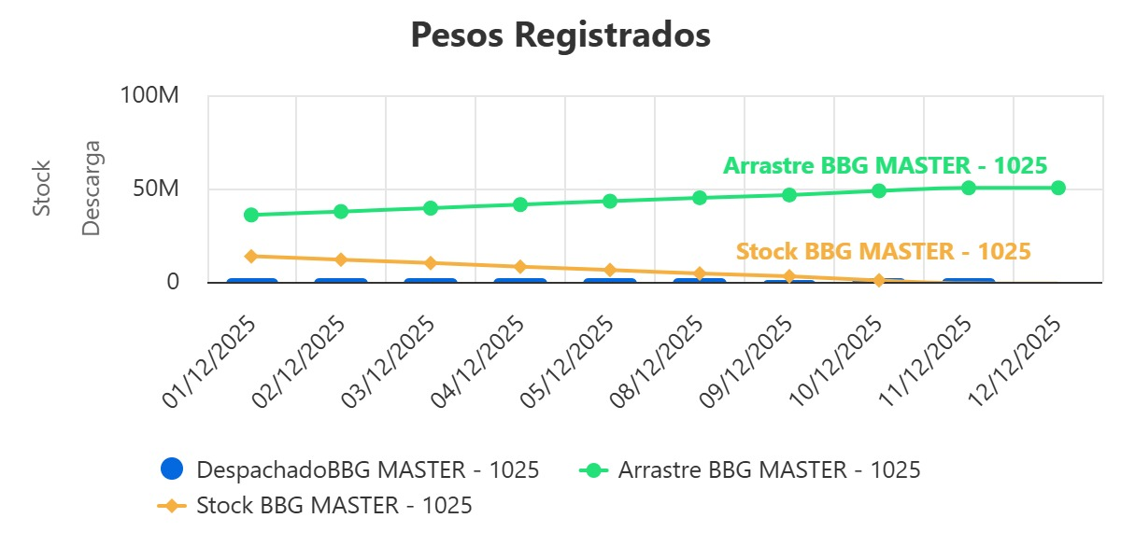
MN BBG MASTER Y MN GENCO RHONE
DICIEMBRE 01 AL 15
TURNOS
FECHA | 1ro | 2do | 3ro
2025-12-01 | 1 | 1 | 0
2025-12-02 | 1 | 1 | 0
2025-12-03 | 1 | 1 | 0
2025-12-04 | 1 | 1 | 0
2025-12-05 | 1 | 1 | 0
2025-12-08 | 1 | 1 | 0
2025-12-09 | 1 | 1 | 0
2025-12-10 | 1 | 1 | 0
2025-12-11 | 1 | 1 | 0
2025-12-12 | 1 | 1 | 0
2025-12-15 | 1 | 1 | 0
 | 11 | 11
 | TOTAL TURNOS |  | 22

MN BBG MASTER
Motonave | Fecha | Turno | N° Camión en Turno | Patente | Transportista | Nombre Chofer | Neto GD | Arrastre Turno | Despachado
BBG MASTER | 01/12/2025 | 1 | 1 | RCGS93 | SOTRAVAL | LUIS SEPULVEDA | 29320 | 29320 | 34083370
BBG MASTER | 01/12/2025 | 1 | 2 | RTTT52 | QUILES CARGO | EDWARD ROMERO SANDOVAL | 29250 | 58570 | 34112620
BBG MASTER | 01/12/2025 | 1 | 3 | LJPW79 | SOTRAVAL | JAIME DEL PINO | 29550 | 88120 | 34142170
BBG MASTER | 01/12/2025 | 1 | 4 | VJDP48 | SOTRAVAL | NICOLAS DEL PINO | 27480 | 115600 | 34169650
BBG MASTER | 01/12/2025 | 1 | 5 | KPGT76 | LATORRE | MOISES GONZALEZ | 28770 | 144370 | 34198420
BBG MASTER | 01/12/2025 | 1 | 6 | KBRR33 | SOTRAVAL | PEDRO SEPULVEDA | 29430 | 173800 | 34227850
BBG MASTER | 01/12/2025 | 1 | 7 | TZFX44 | GALVARINO | JAIME RODRIGUEZ | 28860 | 202660 | 34256710
BBG MASTER | 01/12/2025 | 1 | 8 | SXRH76 | GALVARINO | JOSE SUAREZ | 28220 | 230880 | 34284930
BBG MASTER | 01/12/2025 | 1 | 9 | JLXF47 | LATORRE | EDWARD CRUCES | 29040 | 259920 | 34313970
BBG MASTER | 01/12/2025 | 1 | 10 | KFLS93 | LATORRE | VICTOR BARRA | 29220 | 289140 | 34343190
BBG MASTER | 01/12/2025 | 1 | 11 | KJJC35 | ACSA | LUIS REYES | 27550 | 316690 | 34370740
BBG MASTER | 01/12/2025 | 1 | 12 | DRTV13 | ACSA | WILLIAMS ESPINOZA | 29160 | 345850 | 34399900
BBG MASTER | 01/12/2025 | 1 | 13 | KKWR63 | ACSA | SEBASTIAN ULLOA | 28850 | 374700 | 34428750
BBG MASTER | 01/12/2025 | 1 | 14 | JVHP21 | ARA | CLAUDIO PARRA | 28030 | 402730 | 34456780
BBG MASTER | 01/12/2025 | 1 | 15 | CTJW89 | ARA | PEDRO OSORIO FUENTES | 27630 | 430360 | 34484410
BBG MASTER | 01/12/2025 | 1 | 16 | PYSD99 | SOTRAVAL | EDUARDO TORRES | 29950 | 460310 | 34514360
BBG MASTER | 01/12/2025 | 1 | 17 | JRHL70 | SOTRAVAL | PEDRO CABEZAS | 29960 | 490270 | 34544320
BBG MASTER | 01/12/2025 | 1 | 18 | DTGW15 | QUILES CARGO | YERSON MARTINEZ | 28940 | 519210 | 34573260
BBG MASTER | 01/12/2025 | 1 | 19 | SHRB48 | LATORRE | GERARDO CARDENAS | 27690 | 546900 | 34600950
BBG MASTER | 01/12/2025 | 1 | 20 | JHBT90 | ARA | MARIO SANCHEZ GARCÍA | 28470 | 575370 | 34629420
BBG MASTER | 01/12/2025 | 1 | 21 | HDTR47 | QUILES CARGO | ALEJANDRO ORTIZ | 29300 | 604670 | 34658720
BBG MASTER | 01/12/2025 | 1 | 22 | TFYP22 | RIVAS | HECTOR BUSTAMANTE | 29020 | 633690 | 34687740
BBG MASTER | 01/12/2025 | 1 | 23 | KLDS96 | LATORRE | JORGE MONCADA | 28930 | 662620 | 34716670
BBG MASTER | 01/12/2025 | 1 | 24 | RCBV27 | GALVARINO | JOSE TORRES | 28660 | 691280 | 34745330
BBG MASTER | 01/12/2025 | 1 | 25 | KXRP72 | LATORRE | BORIS QUINTANA | 29420 | 720700 | 34774750
BBG MASTER | 01/12/2025 | 1 | 26 | KXSP28 | ACSA | francisco villar carrasco | 28890 | 749590 | 34803640
BBG MASTER | 01/12/2025 | 1 | 27 | LPHR48 | LATORRE | HEPOLITO GONZALEZ | 29440 | 779030 | 34833080
BBG MASTER | 01/12/2025 | 1 | 28 | SWTK28 | SOTRAVAL | IGNACIO LILLO | 29650 | 808680 | 34862730
BBG MASTER | 01/12/2025 | 1 | 29 | STCP71 | SOTRAVAL | HECTOR BARRA | 29610 | 838290 | 34892340
BBG MASTER | 01/12/2025 | 1 | 30 | SWTK29 | SOTRAVAL | CHARLYE SAEZ CIFUENTES | 29450 | 867740 | 34921790
BBG MASTER | 01/12/2025 | 2 | 1 | RGWK99 | SOTRAVAL | CRISTOPHER TOLOZA POBLETE | 29250 | 29250 | 34951040
BBG MASTER | 01/12/2025 | 2 | 2 | LJTK86 | LATORRE | HUMBERTO QUIJON | 29790 | 59040 | 34980830
BBG MASTER | 01/12/2025 | 2 | 3 | PPPY30 | LATORRE | CAMILO AREVALO | 29190 | 88230 | 35010020
BBG MASTER | 01/12/2025 | 2 | 4 | LCXT84 | RIVAS | MIGUEL RIQUELME | 27930 | 116160 | 35037950
BBG MASTER | 01/12/2025 | 2 | 5 | DPKP96 | FULL CARGO | MIGUEL SALAZAR CUEVAS | 28460 | 144620 | 35066410
BBG MASTER | 01/12/2025 | 2 | 6 | RCGS93 | SOTRAVAL | LUIS SEPULVEDA | 29580 | 174200 | 35095990
BBG MASTER | 01/12/2025 | 2 | 7 | RTTT52 | QUILES CARGO | EDWARD ROMERO SANDOVAL | 29380 | 203580 | 35125370
BBG MASTER | 01/12/2025 | 2 | 8 | LJPW79 | SOTRAVAL | JAIME DEL PINO | 29550 | 233130 | 35154920
BBG MASTER | 01/12/2025 | 2 | 9 | VJDP48 | SOTRAVAL | NICOLAS DEL PINO | 27540 | 260670 | 35182460
BBG MASTER | 01/12/2025 | 2 | 10 | KPGT76 | LATORRE | MOISES GONZALEZ | 28890 | 289560 | 35211350
BBG MASTER | 01/12/2025 | 2 | 11 | KBRR33 | SOTRAVAL | PEDRO SEPULVEDA | 29490 | 319050 | 35240840
BBG MASTER | 01/12/2025 | 2 | 12 | SXRH76 | GALVARINO | JOSE SUAREZ | 28520 | 347570 | 35269360
BBG MASTER | 01/12/2025 | 2 | 13 | TZFX44 | GALVARINO | JAIME RODRIGUEZ | 29000 | 376570 | 35298360
BBG MASTER | 01/12/2025 | 2 | 14 | KFLS93 | LATORRE | VICTOR BARRA | 29240 | 405810 | 35327600
BBG MASTER | 01/12/2025 | 2 | 15 | JLXF47 | LATORRE | EDWARD CRUCES | 29240 | 435050 | 35356840
BBG MASTER | 01/12/2025 | 2 | 16 | DPWL40 | FULL CARGO | VICTOR RAMOS CASTRO | 29130 | 464180 | 35385970
BBG MASTER | 01/12/2025 | 2 | 17 | KJJC35 | ACSA | LUIS REYES | 27250 | 491430 | 35413220
BBG MASTER | 01/12/2025 | 2 | 18 | DRTV13 | ACSA | WILLIAMS ESPINOZA | 28970 | 520400 | 35442190
BBG MASTER | 01/12/2025 | 2 | 19 | KKWR63 | ACSA | SEBASTIAN ULLOA | 28910 | 549310 | 35471100
BBG MASTER | 01/12/2025 | 2 | 20 | JVHP21 | ARA | CLAUDIO PARRA | 28070 | 577380 | 35499170
BBG MASTER | 01/12/2025 | 2 | 21 | SHRB48 | LATORRE | GERARDO CARDENAS | 27890 | 605270 | 35527060
BBG MASTER | 01/12/2025 | 2 | 22 | JHBT90 | ARA | MARIO SANCHEZ GARCÍA | 28380 | 633650 | 35555440
BBG MASTER | 01/12/2025 | 2 | 23 | KLDS96 | LATORRE | JORGE MONCADA | 29160 | 662810 | 35584600
BBG MASTER | 01/12/2025 | 2 | 24 | DTGW15 | QUILES CARGO | YERSON MARTINEZ | 29020 | 691830 | 35613620
BBG MASTER | 01/12/2025 | 2 | 25 | KXRP72 | LATORRE | BORIS QUINTANA | 29620 | 721450 | 35643240
BBG MASTER | 01/12/2025 | 2 | 26 | TFYP22 | RIVAS | HECTOR BUSTAMANTE | 29040 | 750490 | 35672280
BBG MASTER | 01/12/2025 | 2 | 27 | JRHL70 | SOTRAVAL | PEDRO CABEZAS | 29830 | 780320 | 35702110
BBG MASTER | 01/12/2025 | 2 | 28 | PYSD99 | SOTRAVAL | EDUARDO TORRES | 29960 | 810280 | 35732070
BBG MASTER | 01/12/2025 | 2 | 29 | KXSP28 | ACSA | francisco villar carrasco | 29030 | 839310 | 35761100
BBG MASTER | 01/12/2025 | 2 | 30 | LPHR48 | LATORRE | HEPOLITO GONZALEZ | 29510 | 868820 | 35790610
BBG MASTER | 01/12/2025 | 2 | 31 | STCP71 | SOTRAVAL | HECTOR BARRA | 29800 | 898620 | 35820410
BBG MASTER | 01/12/2025 | 2 | 32 | SWTK28 | SOTRAVAL | IGNACIO LILLO | 29700 | 928320 | 35850110
BBG MASTER | 02/12/2025 | 1 | 1 | SWTK29 | SOTRAVAL | CHARLYE SAEZ CIFUENTES | 29410 | 29410 | 35879520
BBG MASTER | 02/12/2025 | 1 | 2 | RGWK99 | SOTRAVAL | CRISTOPHER TOLOZA POBLETE | 29200 | 58610 | 35908720
BBG MASTER | 02/12/2025 | 1 | 3 | LJTK86 | LATORRE | HUMBERTO QUIJON | 29540 | 88150 | 35938260
BBG MASTER | 02/12/2025 | 1 | 4 | PPPY30 | LATORRE | CAMILO AREVALO | 29170 | 117320 | 35967430
BBG MASTER | 02/12/2025 | 1 | 5 | RCGS93 | SOTRAVAL | LUIS SEPULVEDA | 29590 | 146910 | 35997020
...
MN BBG MASTER
BBG MASTER | 11/12/2025 | 2 | 13 | KLDS96 | LATORRE | JORGE MONCADA | 29260 | 377300 | 50267030
BBG MASTER | 11/12/2025 | 2 | 14 | SWTK29 | SOTRAVAL | CHARLYE SAEZ CIFUENTES | 29230 | 406530 | 50296260
BBG MASTER | 11/12/2025 | 2 | 15 | RTTT52 | QUILES CARGO | EDWARD ROMERO SANDOVAL | 29380 | 435910 | 50325640
BBG MASTER | 11/12/2025 | 2 | 18 | LJTK86 | LATORRE | HUMBERTO QUIJON | 16150 | 452060 | 50341790
BBG MASTER | 12/12/2025 | 1 | 10 | HDTR47 | QUILES CARGO | ALEJANDRO ORTIZ | 29370 | 29370 | 50371160
BBG MASTER | 12/12/2025 | 1 | 13 | KBRR33 | SOTRAVAL | PEDRO SEPULVEDA | 28840 | 58210 | 50400000

MN GENCO RHONE
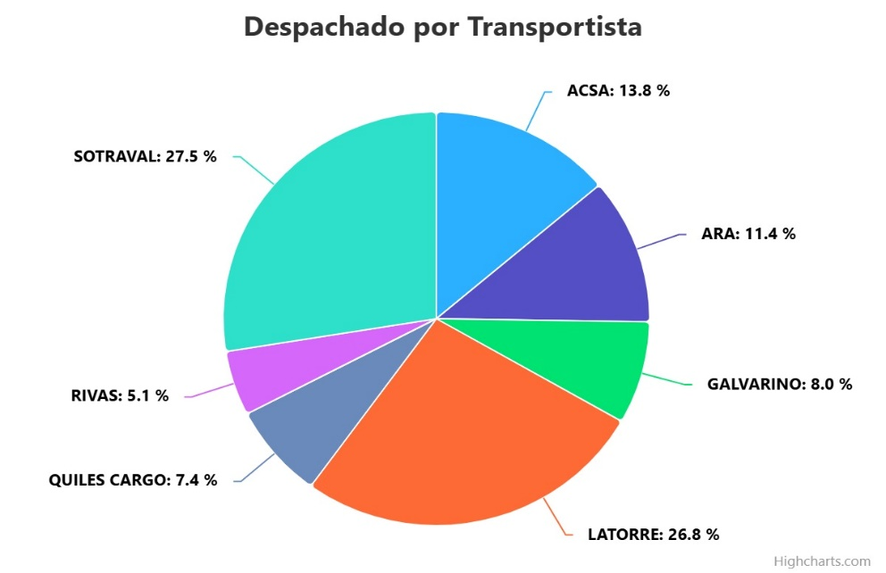
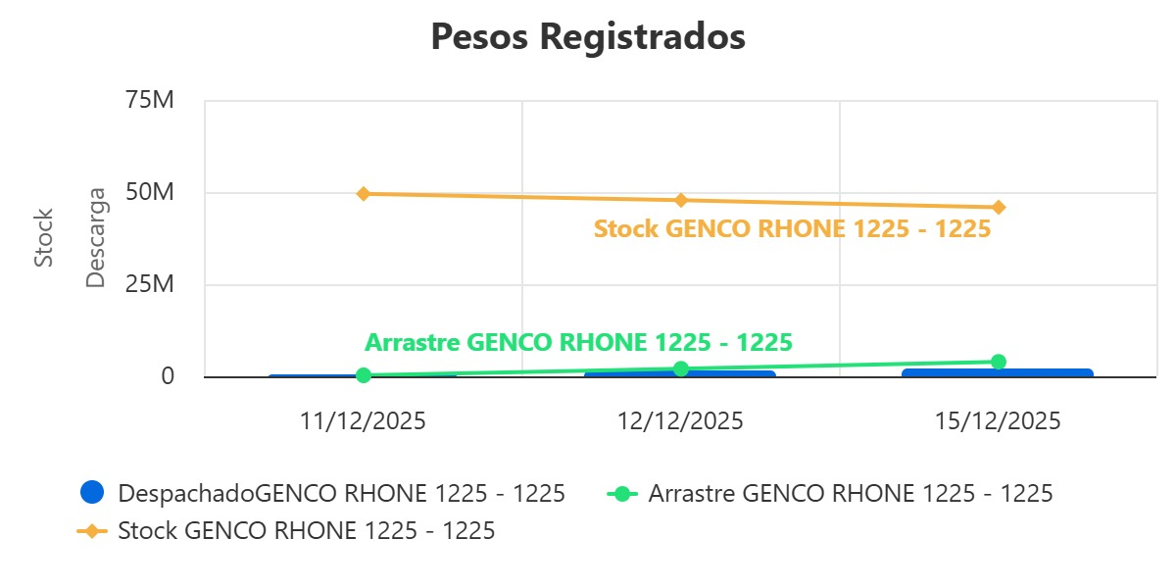

MN GENCO RHONE
Motonave | Fecha | Turno | N° Camión en Turno | Patente | Transportista | Nombre Chofer | Neto GD | Arrastre Turno | Despachado
GENCO RHONE 1225 | 11/12/2025 | 2 | 1 | LCXT84 | RIVAS | MIGUEL RIQUELME | 28350 | 28350 | 28350
GENCO RHONE 1225 | 11/12/2025 | 2 | 2 | TFYP22 | RIVAS | HECTOR BUSTAMANTE | 29120 | 57470 | 57470
GENCO RHONE 1225 | 11/12/2025 | 2 | 3 | LJTK86 | LATORRE | HUMBERTO QUIJON | 13430 | 70900 | 70900
GENCO RHONE 1225 | 11/12/2025 | 2 | 4 | JLJY48 | LATORRE | LUIS CONTRERAS | 29450 | 100350 | 100350
GENCO RHONE 1225 | 11/12/2025 | 2 | 5 | KKWR63 | ACSA | SEBASTIAN ULLOA | 29210 | 129560 | 129560
GENCO RHONE 1225 | 11/12/2025 | 2 | 6 | LJPW79 | SOTRAVAL | JAIME DEL PINO | 29480 | 159040 | 159040
GENCO RHONE 1225 | 11/12/2025 | 2 | 7 | RCGS93 | SOTRAVAL | LUIS SEPULVEDA | 29450 | 188490 | 188490
GENCO RHONE 1225 | 11/12/2025 | 2 | 8 | SXRH76 | GALVARINO | JOSE SUAREZ | 28580 | 217070 | 217070
...

