Hoja1
 |  |  |  | ALS Inspection Chile SpA
 |  |  |  | Limache 3405, Office 61
 |  |  |  | Viña del Mar, CHILE
 |  |  |  | T +56 32 2545 50

 | CONTAINER COMPLIANCE CHECKLIST FOR SEA TRANSPORT

 | Status for shipper owners container (SOC)
 | CSC 1972, ED.2014 | CONTAINER NUMBER | ECAU310275-9
 |  | Manufacture date | July 2013
 |  | CSC Number | D-HH-3875 / GL 7212
 |  | Gross weight | 30,480 KG
 |  | Net | 28,350 KG
 |  | Allowable Stacking Weight | 192,000 KG
 |  | Racking Test Load Value | 15,240 KG
 |  | CSC valid until | NOT AVAILABLE
 |  | At the time of survey the container was
 |  | Name of Inspector: | Isaac Cohen
 |  | Location of Inspection: | Tercera Avenida # 520, Placilla, Chile
 |  | Date & Time of survey: | NOVEMBER 05, 2025 / 10:15
 |  | Contact Ph. No. (+56 9) | 39340702
 |  | ALS Report Number | VAP-2511-2371
 | 1. | General Requirements | Check box
 | 1a. | Valid CSC approval plated fitted or equivalent (ACEP No. legible)
 | 1b. | Owners Serial No.
 | 2. | External
 | 2a. | Top side rails
 | 2b. | Bottom side rails
 | 2c | Front and door header
 | 2d. | Front and door sill
 | 2e. | Corner posts
 | 2f. | Corner fittings
 | 3. | Understructure
 | 3a. | Cross members
 | 4. | Doors
 | 4a. | Locking rods

 | Remark: In the following section must be written the remark of those items clicked as "NOT OK",

 | Conclusion
 | According the International Container Safety Convention 1972, ed. 2014
 | the container is safe to be loaded on board ship intended for sea freight

 |  | Re-inspection recommended before OCTOBER 2026.

 | Surveyor Name |  | Mr. Isaac Cohen
 |  | Telephone | 56 9 39340702

 | Remark: This report show the container condition at the date and inspection time according to CSC 1972, Edition 2014 criteria.

 | SET OF PICTURES

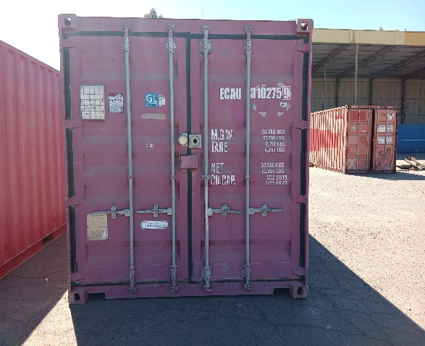
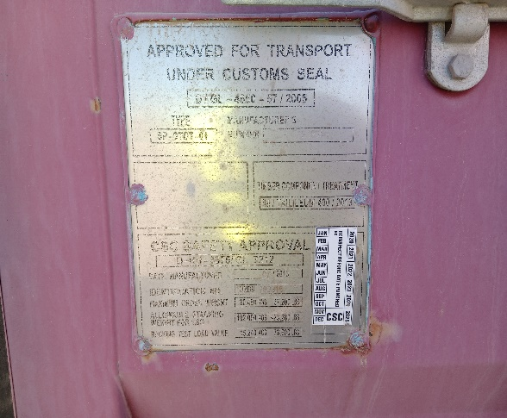

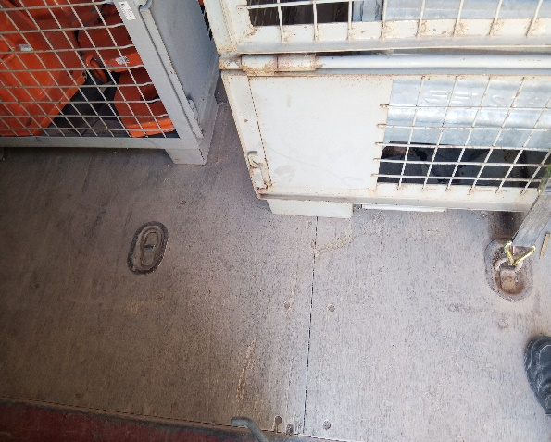
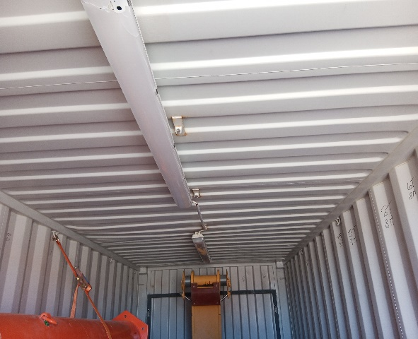

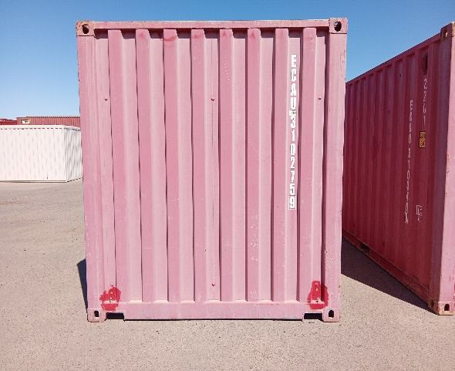
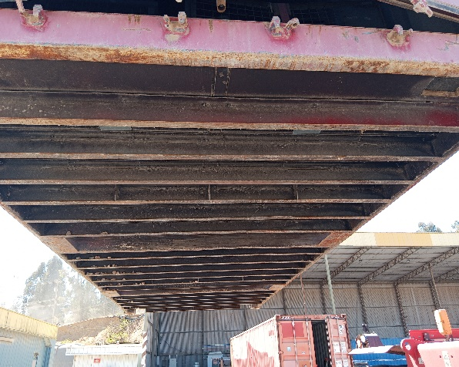

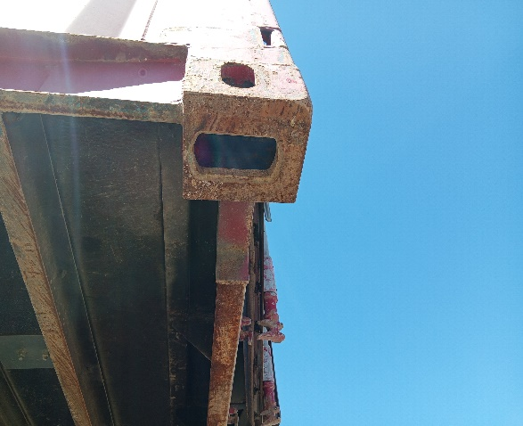

INSPECTION CRITERIA
A container, whether loaded or empty, that is found to have one or more serious structural deficiencies in structurally sensitive components will clearly pose an obvious risk to safety and should be stopped until it can be ensured that the container is in a safe condition to continue in service.Defects in components defined below (II), according to CSC 1972, edition 2014:

