Hoja1
 |  |  |  | ALS Inspection Chile SpA
 |  |  |  | Limache 3405, Office 61
 |  |  |  | Viña del Mar, CHILE
 |  |  |  | T +56 32 2545 50

 | CONTAINER COMPLIANCE CHECKLIST FOR SEA TRANSPORT

 | Status for shipper owners container (SOC)
 | CSC 1972, ED.2014 | CONTAINER NUMBER | FCIU 832815-1
 |  | Manufacture date | Jun-07
 |  | CSC Number | CN / CCS / SH059 / 07
 |  | Gross weight | 32,500 Kgs
 |  | Net | 28,600 Kgs
 |  | Allowable Stacking Weight | 216,000 Kgs
 |  | Racking Test Load Value | 15,240 Kgs
 |  | CSC valid until | Feb-25
 |  | At the time of survey the container was
 |  | Name of Inspector: | Mauricio Lopez Briones
 |  | Location of Inspection: | Cerro Dominador // Antofagasta
 |  | Date & Time of survey: | Februuary 24, 2026 / 10:45:00
 |  | Contact Ph. No. (+56 9) | .+56 9 79963200
 |  | ALS Report Number | ANF-2602-0741
 | 1. | General Requirements | Check box
 | 1a. | Valid CSC approval plated fitted or equivalent (ACEP No. legible)
 | 1b. | Owners Serial No.
 | 2. | External
 | 2a. | Top side rails
 | 2b. | Bottom side rails
 | 2c | Front and door header
 | 2d. | Front and door sill
 | 2e. | Corner posts
 | 2f. | Corner fittings
 | 3. | Understructure
 | 3a. | Cross members
 | 4. | Doors
 | 4a. | Locking rods

 | Remark: In the following section must be written the remark of those items clicked as "NOT OK",

 |  | The container is not watertight due to punctures in the panels right, left and roof, section 8
 |  | (roof panel two holes, left panel 1 hole, right panel 1 hole): besides door gasket in poor
 |  | conditions, cut a missing part, (right door upper and bottom part)

 | Conclusion
 | According the International Container Safety Convention 1972, ed. 2014
 | the container is safe to be loaded on board ship intended for sea freight

 |  | Re-inspection recommended before | N/A

 | Surveyor Name |  | Mauricio Lopez Briones
 |  | Telephone | .+56 9 79963200

 | Remark: This report show the container condition at the date and inspection time according to CSC 1972, Edition 2014 criteria.

 | SET OF PICTURES

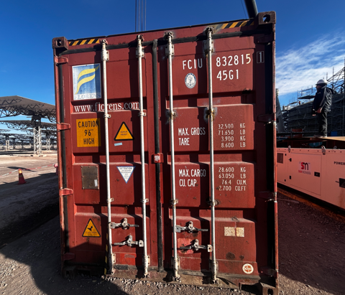
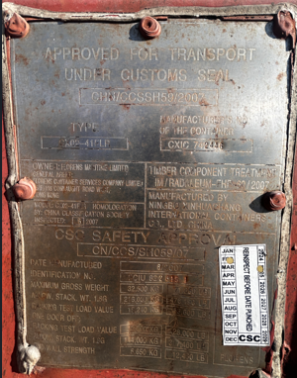

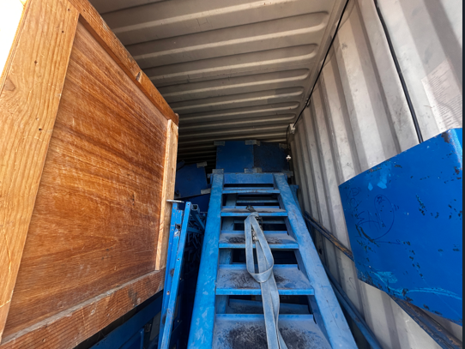
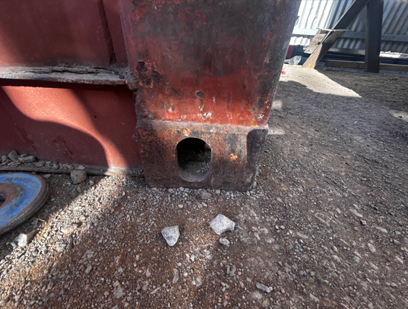

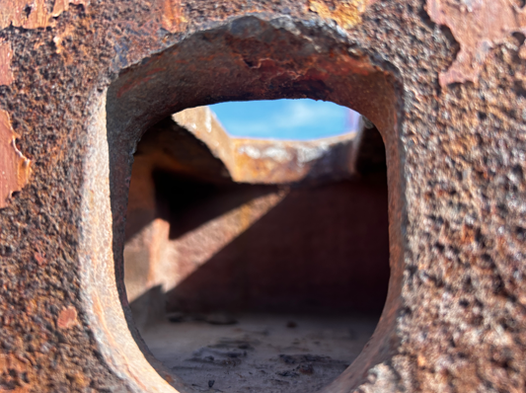
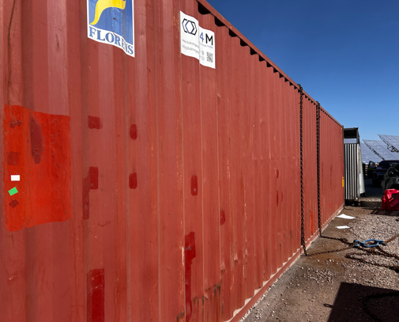

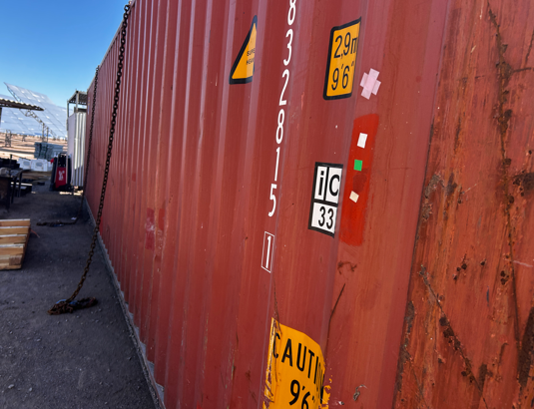
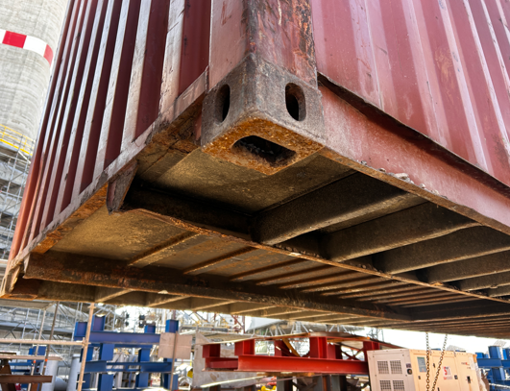

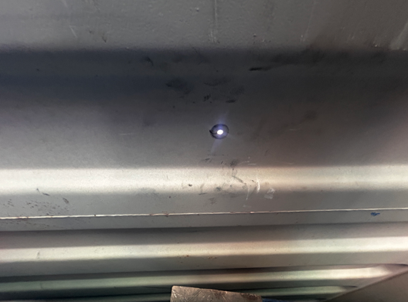
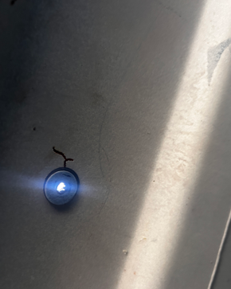

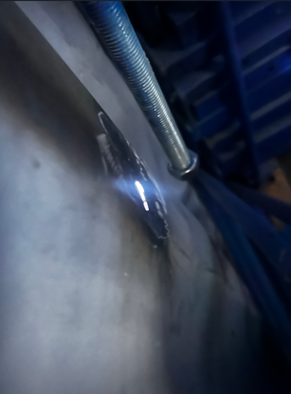
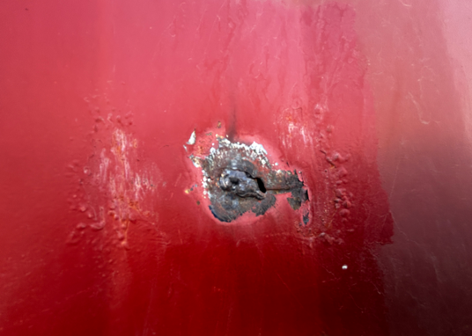

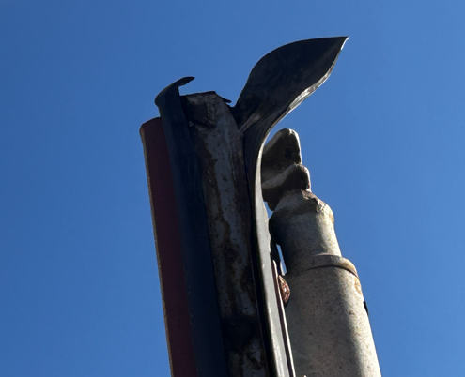
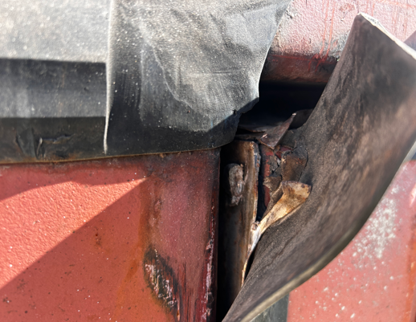

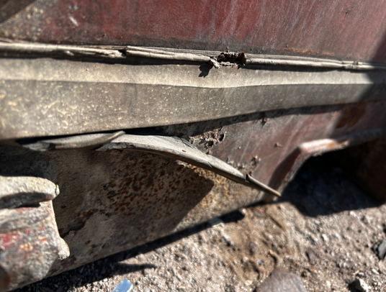
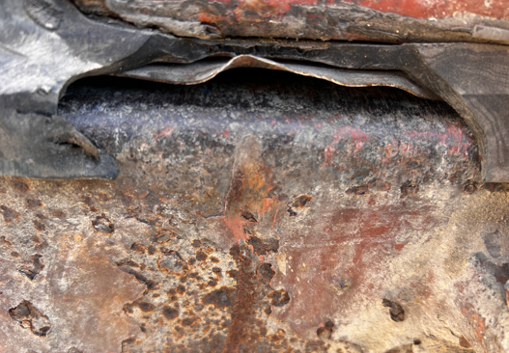

INSPECTION CRITERIA
A container, whether loaded or empty, that is found to have one or more serious structural deficiencies in structurally sensitive components will clearly pose an obvious risk to safety and should be stopped until it can be ensured that the container is in a safe condition to continue in service.Defects in components defined below (II), according to CSC 1972, edition 2014:

